Definition
The portfolios are an updated and extended version of the portfolios used in Ilmanen, Israel, Lee, Moskowitz & Thapar (2021), “How Do Factor Premia Vary Over Time? A Century of Evidence" As in most academic studies, returns are presented gross of trading costs and fees. It is worth noting that the paper uses deliberately simple indicator choices and portfolio construction approaches (such as one indicator per style and no sector neutralization). The simple approach also means that the risk weights may not be equal across styles. (For example, the “US stock selection multi-style” applies equal notional weights across the three styles, but this implies a lower risk weight to value than to momentum or defensive once factor correlations and volatilities are accounted for.)

Factor Definitions
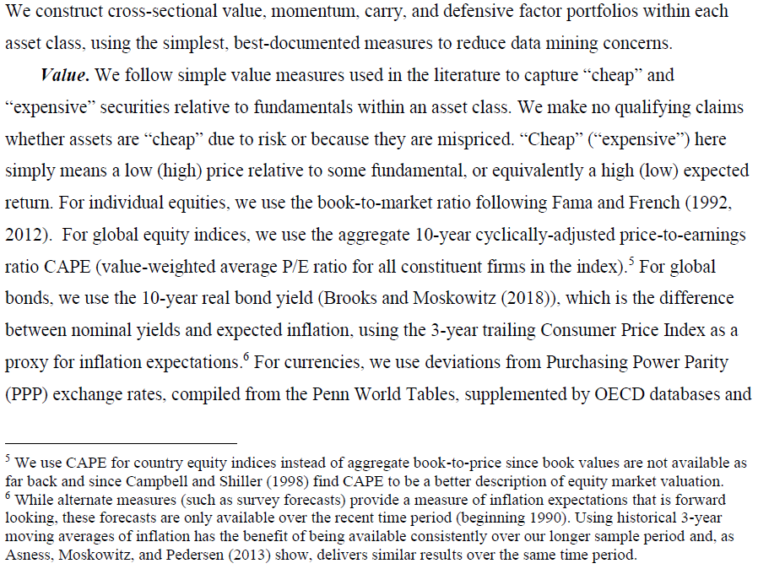

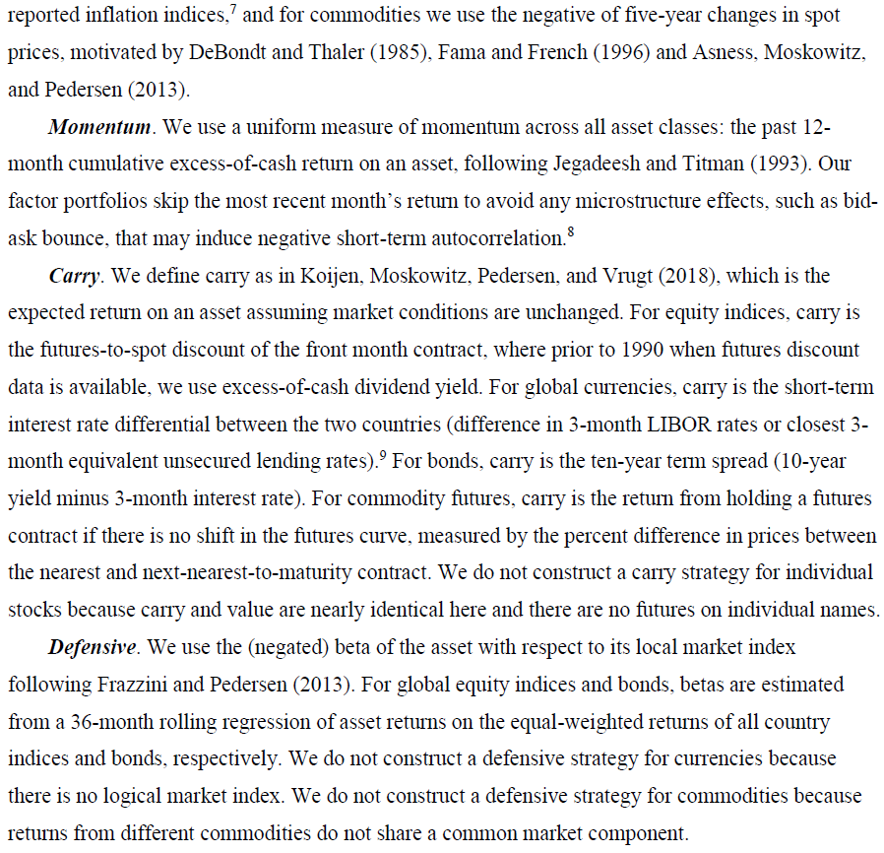

Factor Portfolio Construction
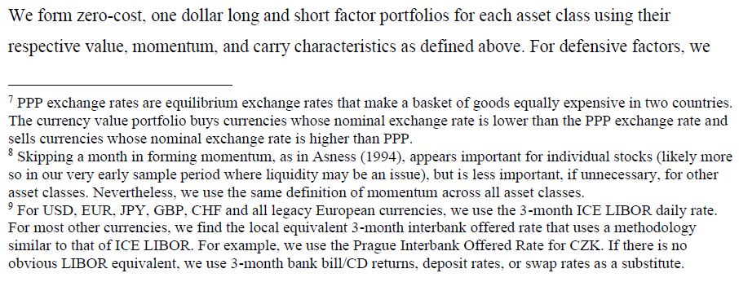

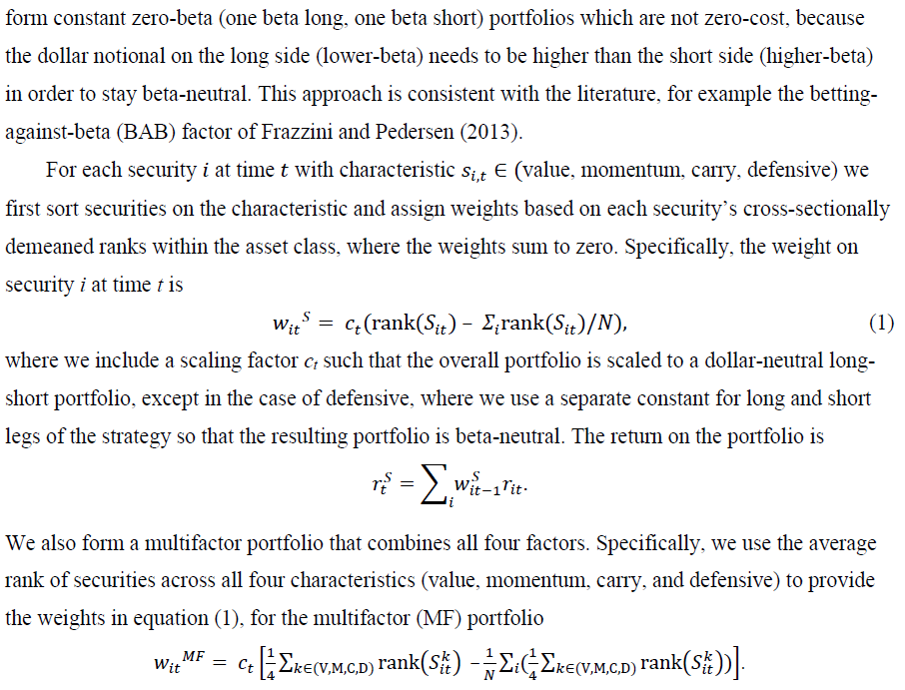

Portfolio Formation

Reference

Ilmanen, Israel, Lee, Moskowitz & Thapar (2021), “How Do Factor Premia Vary Over Time? A Century of Evidence"

Data Sources
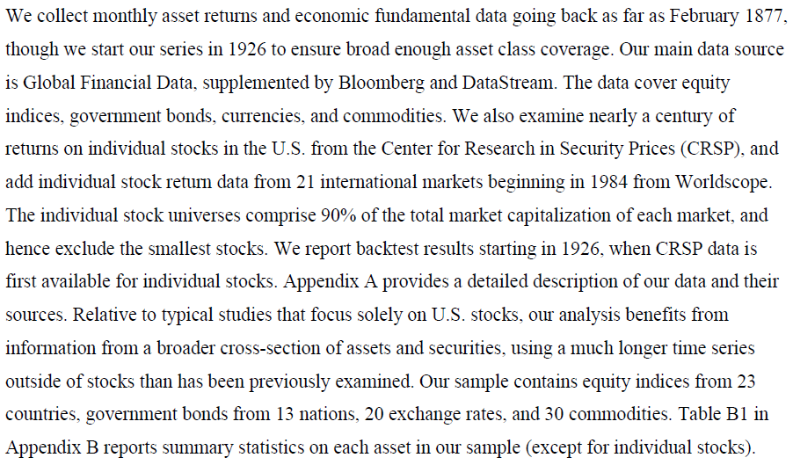
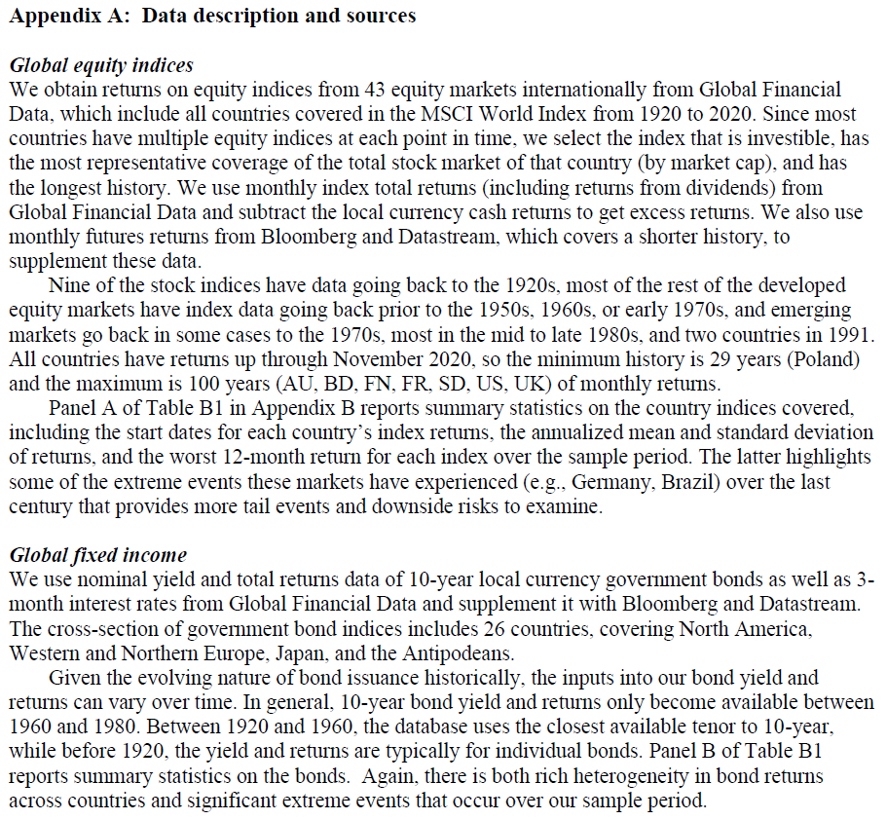
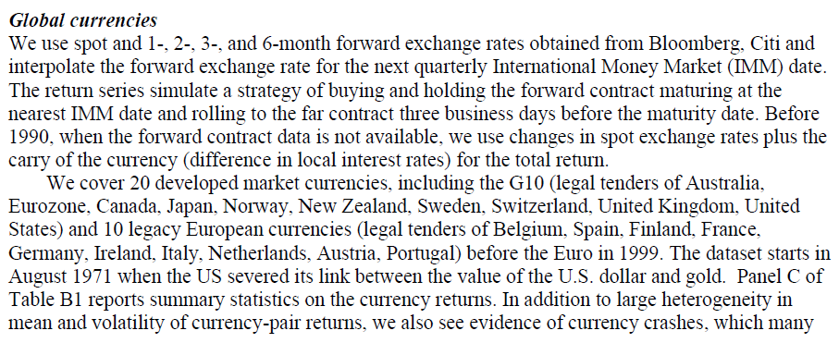
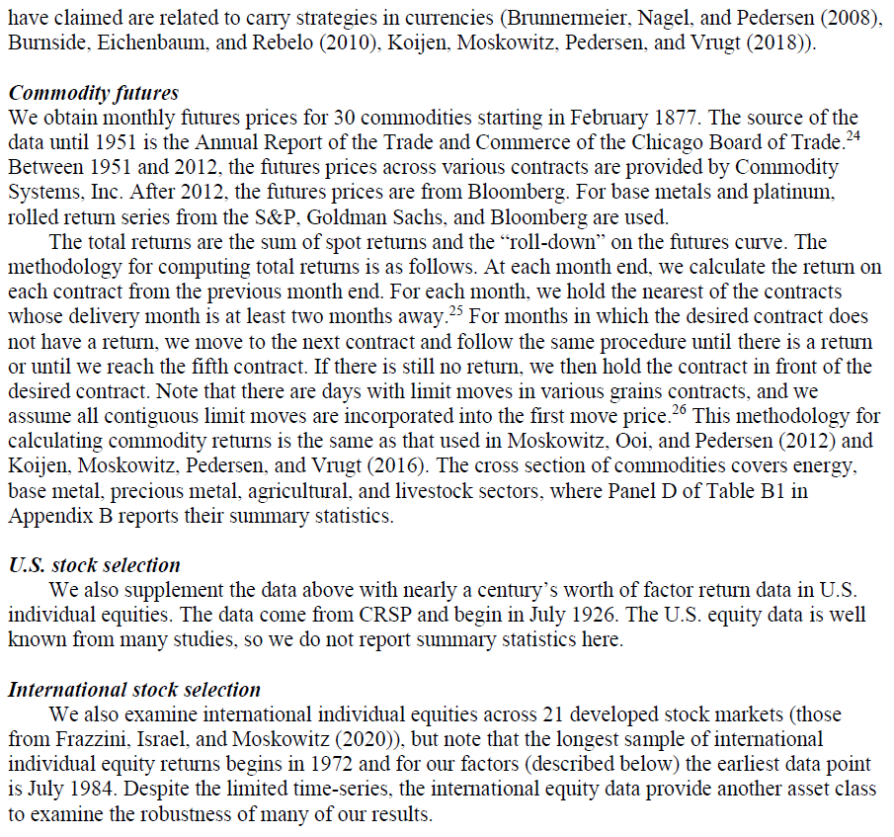
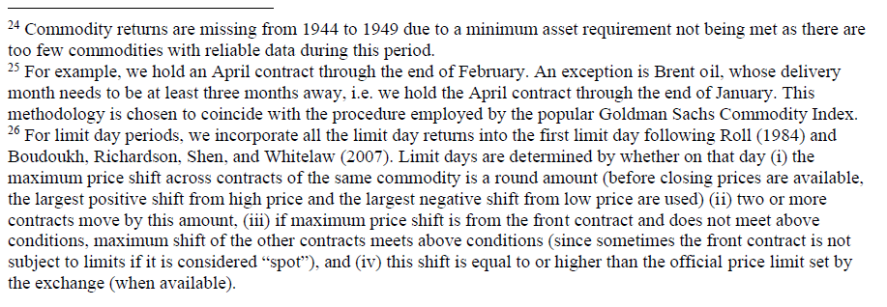
Data Sources
The underlying is from Ilmanen, Israel, Lee, Moskowitz & Thapar (2021), “How Do Factor Premia Vary Over Time? A Century of Evidence". Except where noted, data is updated and refreshed monthly in order to utilize the best available data. The data sources themselves may differ in order to allow for continued updating. In addition, the underlying data may be improved and expanded as it becomes available. Correlations with the original paper data are quite high.

Disclosures
Disclosures

The Information has been provided to you solely for information purposes and does not constitute an offer or solicitation of an offer, or any advice or recommendation, to purchase any securities or other financial instruments, and may not be construed as such. All Information provided herein is impersonal and not tailored to the needs of any person, entity or group of persons. This Information is subject to further review and revision. AQR is not responsible for any error or omissions, regardless of the cause, for the results obtained from the use of the Information.
The information contained herein is only as current as of the date indicated, and may be superseded by subsequent market events or for other reasons. Charts and graphs provided herein are for illustrative purposes only. The Information has been developed internally and/or obtained from sources believed to be reliable; however, AQR does not make any representation or warranty, express of implied, as to the Information’s accuracy, adequacy or completeness of such Information, nor does AQR recommend that the attached Information serve as the basis of any investment decision. Nothing contained herein constitutes investment, legal, tax or other advice, nor is it to be relied on in making an investment or other decision.
This presentation is not research and should not be treated as research. This presentation does not represent valuation judgments with respect to any financial instrument, issuer, security or sector that may be described or referenced herein and does not represent a formal or official view of AQR.
There can be no assurance that an investment strategy will be successful. Historic market trends are not reliable indicators of actual futures market behavior or future performance of any particular investment which may differ materially, and should not be relied upon as such. This Information should not be viewed as a current or past recommendation or a solicitation of an offer to buy or sell securities or to adopt any investment strategy.
Performance of all cited indices is calculated on a total-return basis with dividends reinvested.
The investment strategy and themes discussed herein may be unsuitable for investors depending on their specific investment objectives and financial situation. Please note that changes in the rate of exchange of a currency may affect the value, price or income of an investment adversely.
Past performance of the Information is not an indication of future results.
HYPOTHETICAL PERFORMANCE RESULTS HAVE MANY INHERENT LIMITATIONS, SOME OF WHICH, BUT NOT ALL, ARE DESCRIBED HEREIN. NO REPRESENTATION IS BEING MADE THAT ANY FUND OR ACCOUNT WILL OR IS LIKELY TO ACHIEVE PROFITS OR LOSSES SIMILAR TO THOSE SHOWN HEREIN. IN FACT, THERE ARE FREQUENTLY SHARP DIFFERENCES BETWEEN HYPOTHETICAL PERFORMANCE RESULTS AND THE ACTUAL RESULTS SUBSEQUENTLY REALIZED BY ANY PARTICULAR TRADING PROGRAM. ONE OF THE LIMITATIONS OF HYPOTHETICAL PERFORMANCE RESULTS IS THAT THEY ARE GENERALLY PREPARED WITH THE BENEFIT OF HINDSIGHT. IN ADDITION, HYPOTHETICAL TRADING DOES NOT INVOLVE FINANCIAL RISK, AND NO HYPOTHETICAL TRADING RECORD CAN COMPLETELY ACCOUNT FOR THE IMPACT OF FINANCIAL RISK IN ACTUAL TRADING. FOR EXAMPLE, THE ABILITY TO WITHSTAND LOSSES OR TO ADHERE TO A PARTICULAR TRADING PROGRAM IN SPITE OF TRADING LOSSES ARE MATERIAL POINTS THAT CAN ADVERSELY AFFECT ACTUAL TRADING RESULTS. THERE ARE NUMEROUS OTHER FACTORS RELATED TO THE MARKETS IN GENERAL OR TO THE IMPLEMENTATION OF ANY SPECIFIC TRADING PROGRAM WHICH CANNOT BE FULLY ACCOUNTED FOR IN THE PREPARATION OF HYPOTHETICAL PERFORMANCE RESULTS, ALL OF WHICH CAN ADVERSELY AFFECT ACTUAL TRADING RESULTS. The hypothetical performance results contained herein represent the application of the quantitative models as currently in effect on the date first written above and there can be no assurance that the models will remain the same in the future or that an application of the current models in the future will produce similar results because the relevant market and economic conditions that prevailed during the hypothetical performance period will not necessarily recur. Discounting factors may be applied to reduce suspected anomalies. This backtest’s return, for this period, may vary depending on the date it is run. Hypothetical performance results are presented for illustrative purposes only. In addition, our transaction cost assumptions utilized in backtests, where noted, are based on AQR Capital Management, LLC’s, (“AQR”)’s historical realized transaction costs and market data. Certain of the assumptions have been made for modeling purposes and are unlikely to be realized. No representation or warranty is made as to the reasonableness of the assumptions made or that all assumptions used in achieving the returns have been stated or fully considered. Changes in the assumptions may have a material impact on the hypothetical return.
AQR Capital Management, LLC is exempt from the requirement to hold an Australian Financial Services License under the Corporations Act 2001 (Cth). AQR Capital Management, LLC is regulated by the Securities and Exchange Commission ("SEC") under United States of America laws, which differ from Australian laws. Please note that this document has been prepared in accordance with SEC requirements and not Australian laws.
Canadian recipients of fund information: These materials are provided by AQR Capital Management (Canada), LLC, Canadian placement agent for the AQR funds.
Please note for materials distributed through AQR Capital Management (Asia)
This presentation may not be copied, reproduced, republished, posted, transmitted, disclosed, distributed or disseminated, in whole or in part, in any way without the prior written consent of AQR Capital Management (Asia) Limited (together with its affiliates, “AQR”) or as required by applicable law.
This presentation and the information contained herein are for educational and informational purposes only and do not constitute and should not be construed as an offering of advisory services or as an invitation, inducement or offer to sell or solicitation of an offer to buy any securities, related financial instruments or financial products in any jurisdiction.
Investments described herein will involve significant risk factors which will be set out in the offering documents for such investments and are not described in this presentation. The information in this presentation is general only and you should refer to the final private information memorandum for complete information. To the extent of any conflict between this presentation and the private information memorandum, the private information memorandum shall prevail.
The contents of this presentation have not been reviewed by any regulatory authority in Hong Kong. You are advised to exercise caution and if you are in any doubt about any of the contents of this presentation, you should obtain independent professional advice.
AQR in the United Kingdom is AQR Capital Management (Europe) LLP, a U.K. limited liability partnership with its office at Charles House 5-11 Regent St. London, SW1Y 4LR, which is authorized and regulated by the U.K. Financial Conduct Authority (“FCA”) .This [factsheet/presentation] is a financial promotion and has been approved by AQR Capital Management (Europe) LLP.
AQR in Germany and the European Economic Area is AQR Capital Management (Germany) GmbH, a German limited liability company (Gesellschaft mit beschränkter Haftung; “GmbH”), authorized and regulated by the German Federal Financial Supervisory Authority (Bundesanstalt für Finanzdienstleistungsaufsicht, „BaFin“), with offices at Marie-Curie-Str. 24-28, 60439, Frankfurt am Main und Graurheindorfer Str. 108, 53117 Bonn to provide the services of investment advice (Anlageberatung) and investment broking (Anlagevermittlung) pursuant to the German Banking Act (Kreditwesengesetz; “KWG”). The Complaint Handling Procedure for clients and prospective clients of AQR in Germany and the European Economic Area can be found here: https://ucits.aqr.com/Legal-and-Regulatory. This document is a marketing document.

